Introduction
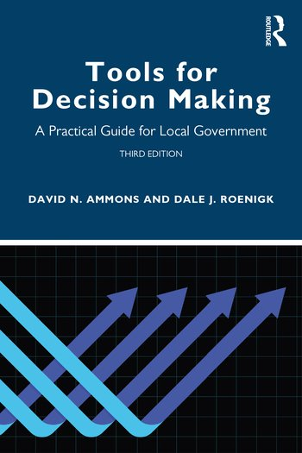
Identifying Full Costs of a Program

Exercise from the book Tools for Decision Making: A Practical Guide for Local Government, 3rd Edition

David N. Ammons and Dale Roenigk

The templates in this spreadsheet align with Chapter 19 in the book. Unlike the supplements for other chapters, this one only includes templates as there is no example in the book to be replicated here. Taken together these template worksheets will assist the user in capturing the full costs of a program.

The second tab corresponds to the worksheet for personnel wages and salaries in the chapter.

The third tab is a worksheet template for fringe beneifts.

The fourth tab is for direct operating costs

The fith tab is for overhead costs.

The sixth tab sums up the costs from the other worksheets for total full costs for a program activity.

The worksheets in this book may be used by the reader and shared but must not be resold to others.

To purchase a copy of the book
https://www.routledge.com/Tools-for-Decision-Making-A-Practical-Guide-for-Local-Government/Ammons-Roenigk/p/book/9780367654320

